Main-Dashboard
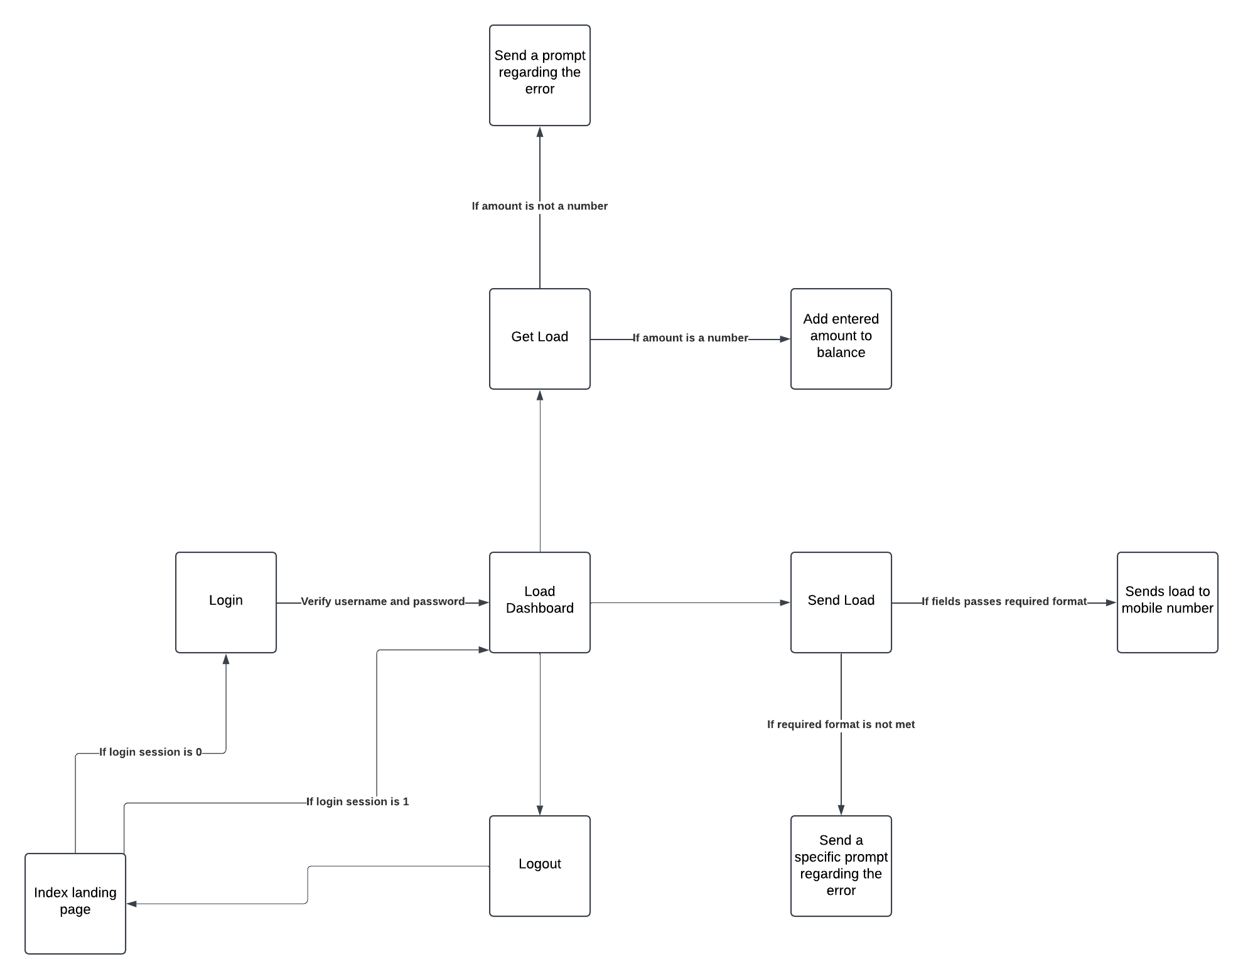
PASALOAD

Testcase Code: PLD1-100
Description: Verify that the following objects/fields are present in the Dashboard
Function: Login to Dashboard
Condition: Dashboard can only be accessed after logging in
no. | Steps | Expected Result | Actual Result | Integration | Regression
1 | verify that the following objects are present in the screen:
 | a. Burger Icon | this logo is located at the upper left corner of the screen | Passed
 | b. Current Load Balance | located at the upper right corner of the screen, below the Logout Button | Passed
 | d. Logout Button | located at the upper right corner of the screen | Passed
 | c. Send Load Link href | located at the upper left corner of the screen if the sidebar is expanded | Passed
 | e. Get Load Link href | located at the upper left below the Send Load Link href if the sidebar is expanded | Passed
2 | verify that the following objects works as intended
 | a. Burger Icon | Should expand or shrink the sidebar depending on the sidebar's condition | Passed
 | b. Logout Button | Should logout the user by setting the login session to false and redirecting the user to the login page | Passed

